Sheet1
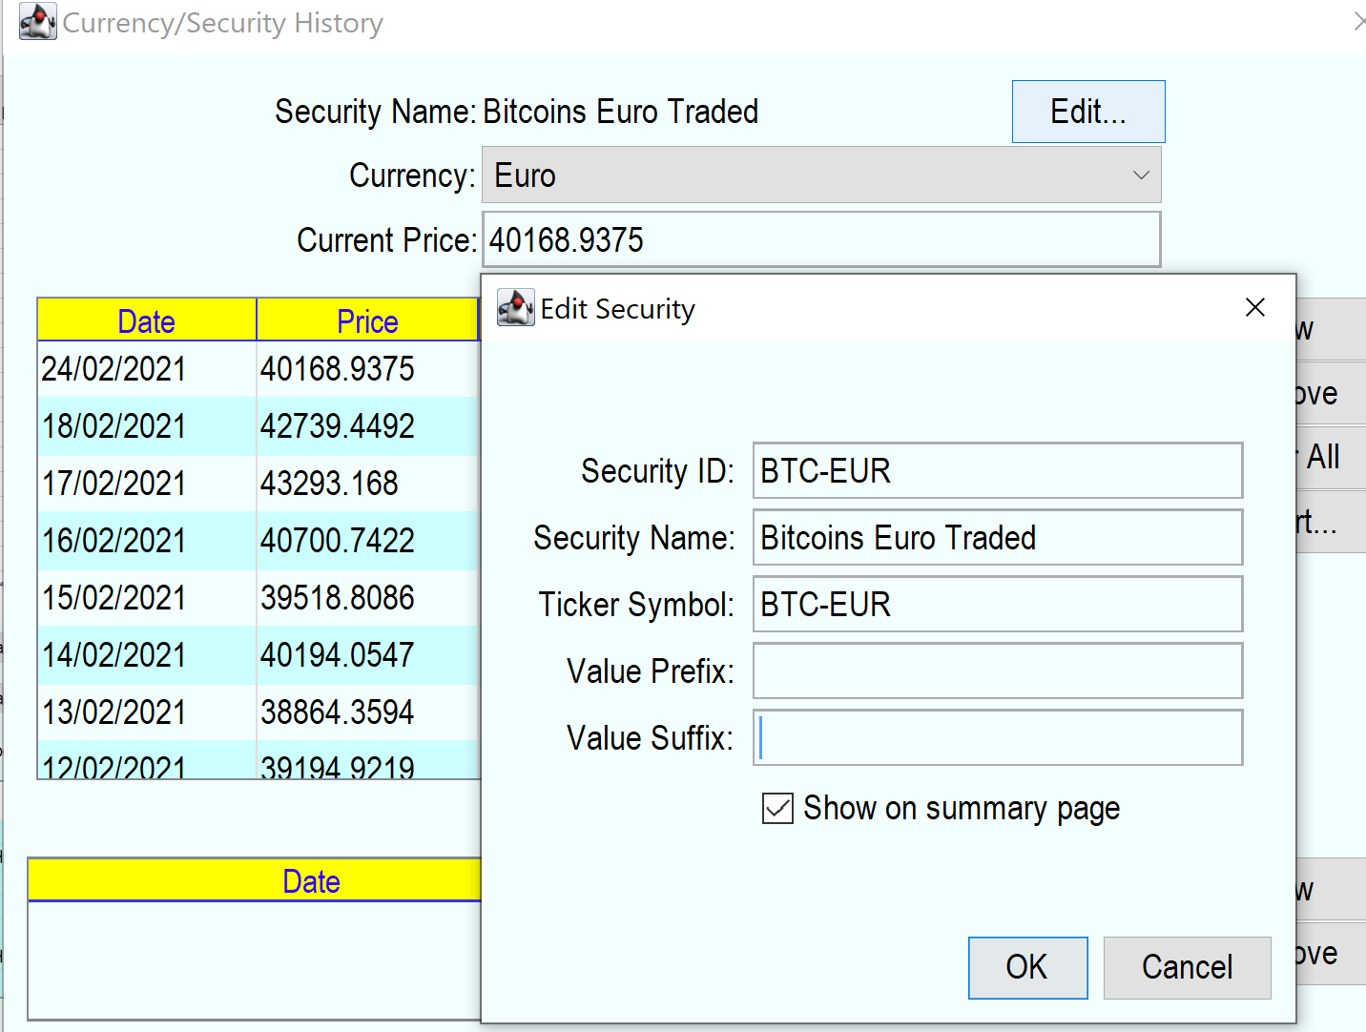

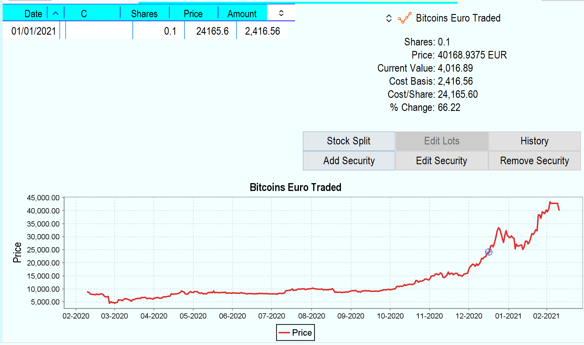
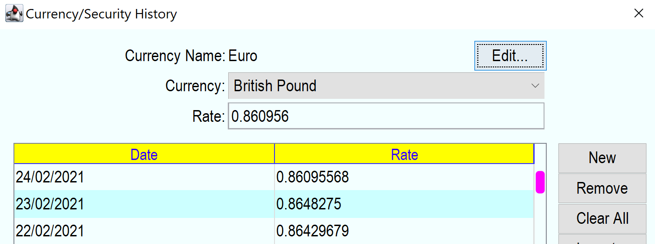

Net Worth £ = Current Value * Euro Exchange Rate
=4016.89* .86095568
£3,458.36

